Rev.8 (28-1)
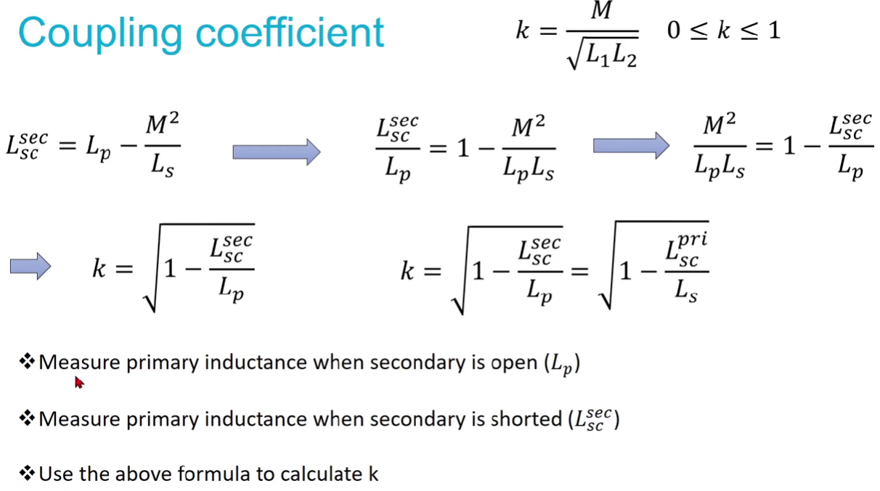
 |  |  |  | Coupling Coefficient (k) Secondary short circuited |  | Coupling Coefficient (k) Primary short circuited
 |  |  |  | L,p,open (µH) | 161.1704 | L,s,open (µH)
 |  |  |  | L,sec,sc (µH) | 58.40398 | L,pri,sc (µH)
 |  |  |  | k (0-1) | 0.799 | k (0-1) | #DIV/0!

Measured on KeySight E4980AL Percision LCR Meter (1V 100kHz)
Modul | Parameter | Typ. | Unit
Inductance W1 |  | 161.1704 | µH
Stray Inductance W1 | W2 Short Circuit | 58.40398 | µH
 | W3 Short Circuit | 58.56323 | µH
Inductance | W2 open |  | µH
 | W3 open |  | µH
Stray Inductance | W2 open, W1 short circuit |  | µH
 | W3 open, W1 short circuit |  | µH

